Vorlagen
 | Gesamt |  |  | Vorlagen |  |  | Info |  | Info1 |  | Info2

 | 01 | 02 | 03 | 04 | 05 | 06 | 07 | 08 | 09 | 10 | 11 | 12 | 13 | 14 | 15 | 16 | 17 | 18 | 19 | 20 | 21 | 22 | 23 | 24 | 25 | 26 | 27 | 28 | 29 | 30

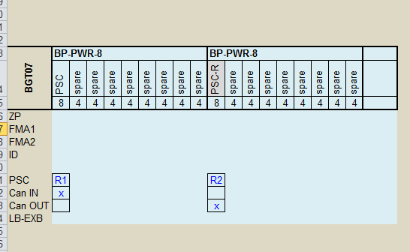

 |  | BP-PWR-0 |  |  | BP-PWR-4 |  |  |  |  |  | BP-PWR-8 |  |  |  |  |  |  |  |  |  | BP-PWR-8
 |  | PSC |  |  | PSC | spare | spare | spare | spare |  | PSC | spare | spare | spare | spare | spare | spare | spare | spare |  | PSC-R | spare | spare | spare | spare | spare | spare | spare | spare
 |  | 8 |  |  | 8 | 4 | 4 | 4 | 4 |  | 8 | 4 | 4 | 4 | 4 | 4 | 4 | 4 | 4 |  | 8 | 4 | 4 | 4 | 4 | 4 | 4 | 4 | 4
ZP
FMA1
FMA2
ID

PSC |  | R1 |  |  | R1 |  |  |  |  |  | R1 |  |  |  |  |  |  |  |  |  | R2 |  |  |  |  |  |  |  |  |  | PSC | R1
Can IN |  |  |  |  | x |  |  |  |  |  | x |  |  |  |  |  |  |  |  |  |  |  |  |  |  |  |  |  |  |  | Can IN | x
Can OUT |  |  |  |  | x |  |  |  |  |  |  |  |  |  |  |  |  |  |  |  | x |  |  |  |  |  |  |  |  |  | Can OUT
LB-EXB

 |  | BP-EXB-1 |  |  |  | BP-EXB-2 |  |  |  | BP-EXB-4 |  |  |  |  |  | BP-EXB-8
 |  | AEB | spare IO |  |  | AEB | spare IO | spare IO |  | AEB | spare IO | spare IO | spare IO | spare IO |  | AEB | spare IO | spare IO | spare IO | spare IO | spare IO | spare IO | spare IO | spare IO
 |  | 4 | 6 |  |  | 4 | 6 | 6 |  | 4 | 6 | 6 | 6 | 6 |  | 4 | 6 | 6 | 6 | 6 | 6 | 6 | 6 | 6
ZP
FMA1
FMA2
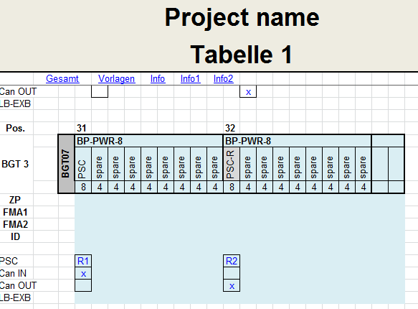
ID

Can IN |  |  |  |  |  | x |  |  |  | x
Can OUT |  |  |  |  |  | x |  |  |  |  |  |  |  |  |  | x
LB-EXB |  | x |  |  |  | x | x |  |  | x | x | x | x |  |  | x | x | x | x | x | x | x | x |  |  |  |  |  |  |  | LB-EXB

BGT07

BGT07 | BP-PWR-8 |  |  |  |  |  |  |  |  | BP-PWR-8
 | PSC | spare | spare | spare | spare | spare | spare | spare | spare | PSC-R | spare | spare | spare | spare | spare | spare | spare | spare |  |  |  |  |  |  | 80TE |  | 2 x PSC, 16 x AEB/COM
 | 8 | 4 | 4 | 4 | 4 | 4 | 4 | 4 | 4 | 8 | 4 | 4 | 4 | 4 | 4 | 4 | 4 | 4
ZP
FMA1
FMA2
ID

PSC | R1 |  |  |  |  |  |  |  |  | R2
Can IN | x
Can OUT |  |  |  |  |  |  |  |  |  | x
LB-EXB

BGT07 | BP-PWR-0 | BP-PWR-8 |  |  |  |  |  |  |  |  | BP-EXB-4
 | PSC | PSC-R | spare | spare | spare | spare | spare | spare | spare | spare | AEB | spare IO | spare IO | spare IO | spare IO |  |  |  |  |  |  |  |  |  | 76TE |  | 2 x PSC, 9 x AEB/COM, 4 x IO-EXB
 | 8 | 8 | 4 | 4 | 4 | 4 | 4 | 4 | 4 | 4 | 4 | 6 | 6 | 6 | 6
ZP
FMA1
FMA2
ID

PSC | R1 | R2
Can IN |  | x
Can OUT |  |  |  |  |  |  |  |  |  |  | x
LB-EXB |  |  |  |  |  |  |  |  |  |  | x | x | x | x

BGT07 | BP-PWR-4 |  |  |  |  | BP-PWR-4 |  |  |  |  | BP-EXB-2 |  |  | BP-EXB-2
 | PSC | spare | spare | spare | spare | PSC-R | spare | spare | spare | spare | AEB | spare IO | spare IO | AEB | spare IO | spare IO |  |  |  |  |  |  |  |  | 80TE |  | 2 x PSC, 10 x AEB/COM, 4 x IO-EXB
 | 8 | 4 | 4 | 4 | 4 | 8 | 4 | 4 | 4 | 4 | 4 | 6 | 6 | 4 | 6 | 6
ZP
FMA1
FMA2
ID

PSC | R1 |  |  |  |  | R2
Can IN | x
Can OUT |  |  |  |  |  |  |  |  |  |  |  |  |  | x
LB-EXB |  |  |  |  |  |  |  |  |  |  | x | x |  | x | x

BGT07 | BP-PWR-0 | BP-PWR-4 |  |  |  |  | BP-EXB-8
 | PSC | PSC-R | spare | spare | spare | spare | AEB | spare IO | spare IO | spare IO | spare IO | spare IO | spare IO | spare IO | spare IO |  |  |  |  |  |  |  |  |  | 84TE |  | 2 x PSC, 5 x AEB/COM, 8 x IO-EXB
 | 8 | 8 | 4 | 4 | 4 | 4 | 4 | 6 | 6 | 6 | 6 | 6 | 6 | 6 | 6
ZP
FMA1
FMA2
ID

PSC | R1 | R2
Can IN |  | x
Can OUT |  |  |  |  |  |  | x
LB-EXB |  |  |  |  |  |  | x | x | x | x | x | x | x | x

BGT07 | BP-PWR-4 |  |  |  |  | BP-PWR-4 |  |  |  |  | BP-EXB-4
 | PSC | spare | spare | spare | spare | PSC-R | spare | spare | spare | spare | AEB | spare IO | spare IO | spare IO | spare IO |  |  |  |  |  |  |  |  |  | 76TE |  | 2 x PSC, 9 x AEB/COM, 4 x IO-EXB
 | 8 | 4 | 4 | 4 | 4 | 8 | 4 | 4 | 4 | 4 | 4 | 6 | 6 | 6 | 6
ZP
FMA1
FMA2
ID

PSC | R1 |  |  |  |  | R2
Can IN | x
Can OUT |  |  |  |  |  |  |  |  |  |  | x
LB-EXB |  |  |  |  |  |  |  |  |  |  | x | x | x | x

BGT07 | BP-PWR-8 |  |  |  |  |  |  |  |  | BP-EXB-4 |  |  |  |  | BP-EXB-2
 | PSC | spare | spare | spare | spare | spare | spare | spare | spare | AEB | spare IO | spare IO | spare IO | spare IO | AEB | spare IO | spare IO |  |  |  |  |  |  |  | 84TE |  | 1 x PSC, 10 x AEB/COM, 6 x IO-EXB
 | 8 | 4 | 4 | 4 | 4 | 4 | 4 | 4 | 4 | 4 | 6 | 6 | 6 | 6 | 4 | 6 | 6
ZP
FMA1
FMA2
ID

PSC | R1
Can IN | x
Can OUT |  |  |  |  |  |  |  |  |  |  |  |  |  |  | x
LB-EXB |  |  |  |  |  |  |  |  |  | x | x | x | x |  | x | x

